Car rental fee
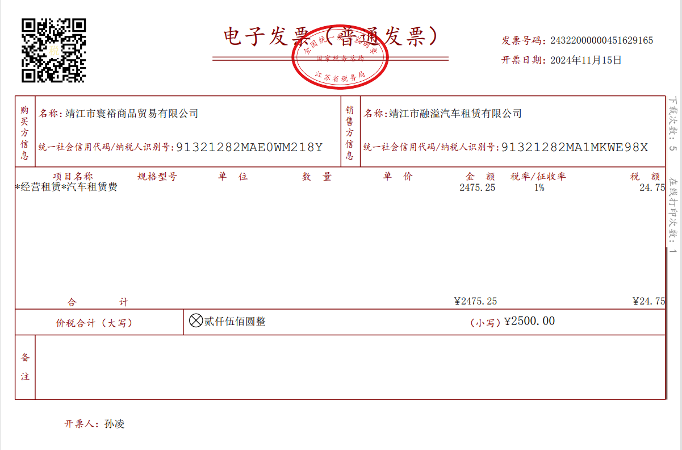

DATE |  | COST
13-Nov-2024 | wuxi airport to office (Bobby,Kitman,Ikki,Connie,Julia) | ￥600.00
14-Nov-2024 | jingjiang to shanghai (Bobby) | ￥1,300.00
15-Nov-2024 | office to wuxi airport | ￥600.00
TOTAL |  | ￥2,500.00
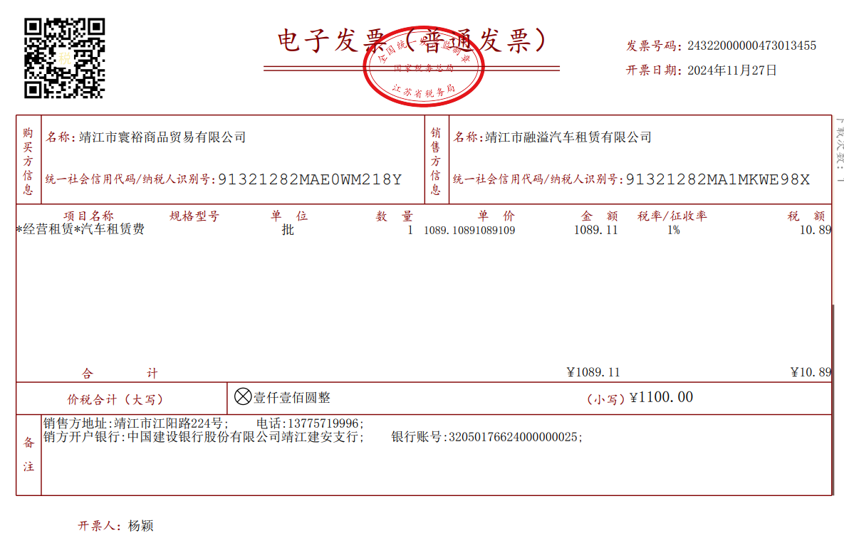

DATE |  | COST
24-Nov-2024 | wuxi airport to jingjiang (kitman,ikki,julia,machael) | ￥600.00
27-Nov-2024 | jingjiang to wuxi airport (ikki,julia) | ￥500.00
TOTAL |  | ￥1,100.00

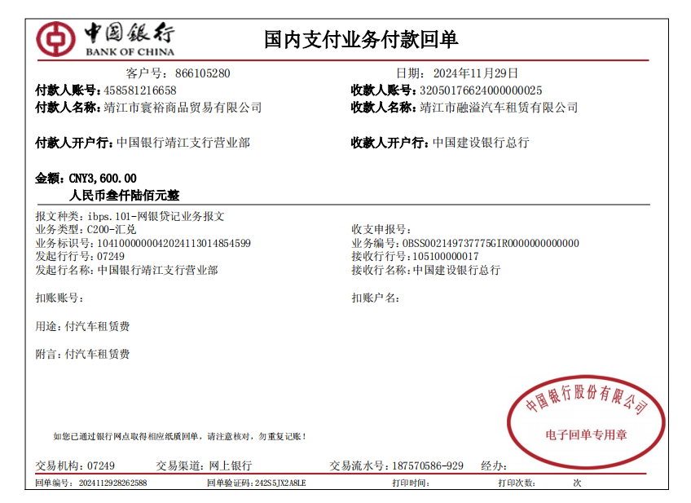

29-Nov-24
Car rental fee:RMB2,500+RMB1,100=RMB3,600
paid by Jingjiang Huayu Trading Co.,Ltd.

Recruitment expense
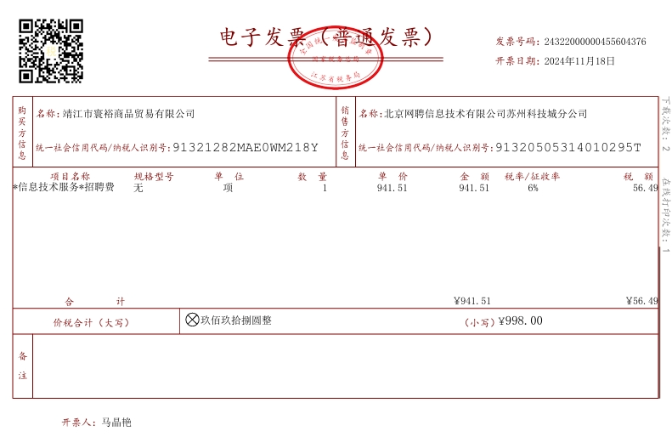

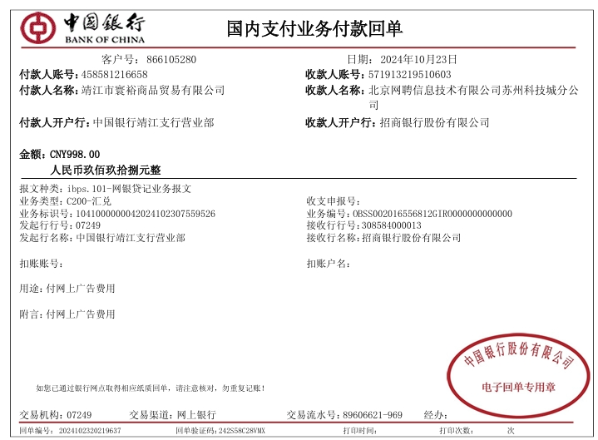

23-Oct-24
Recruitment expense:RMB998
paid by Jingjiang Huayu Trading Co.,Ltd.

China Telecom charges
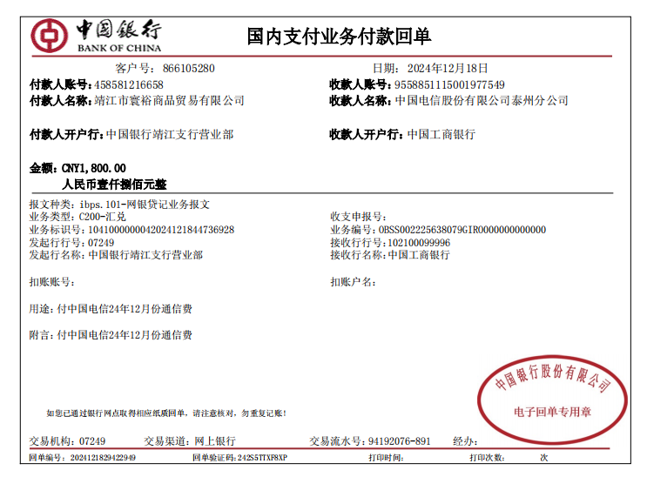

 | 18-Dec-24
China Telecom Communication Charges：RMB1,800+RMB1,800=RMB3,600
paid by Jingjiang Huayu Trading Co.,Ltd.

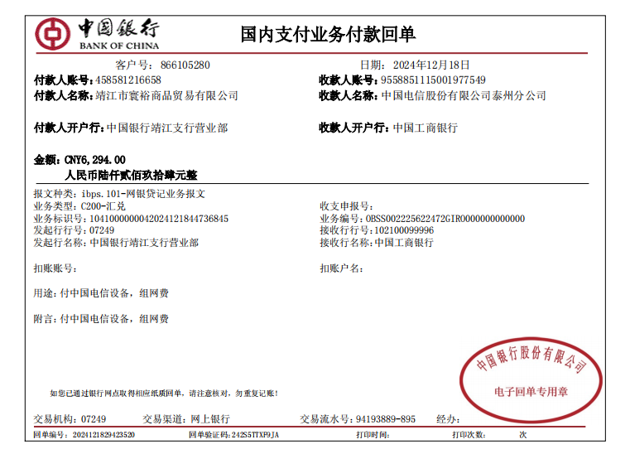

18-Dec-24
China Telecom Equipment Installation Fee：RMB6,294
paid by Jingjiang Huayu Trading Co.,Ltd.

Purchase 6 computers
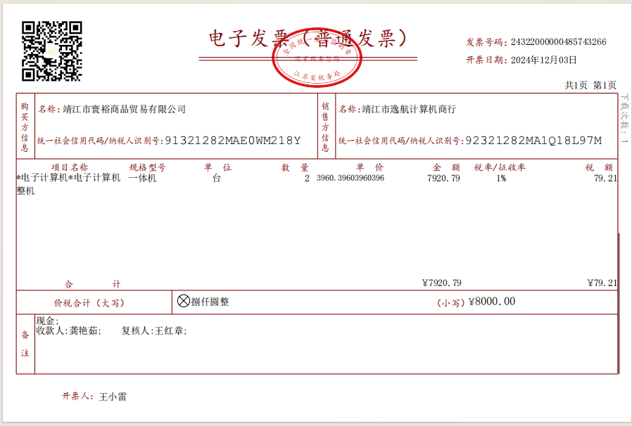

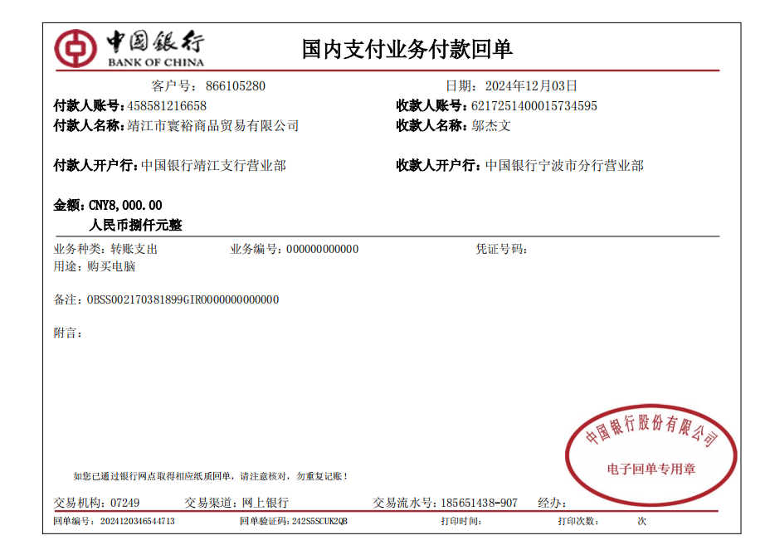

 | 3-Dec-2024
Purchase 2 computers : RMB8,000
paid by Jingjiang Huayu Trading Co.,Ltd.

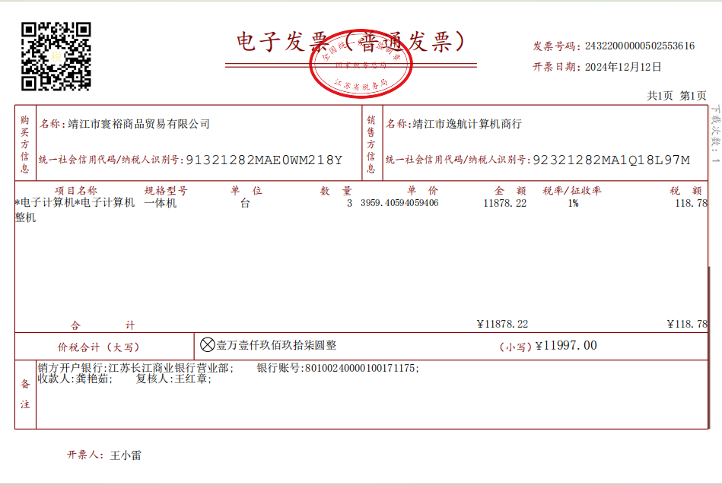

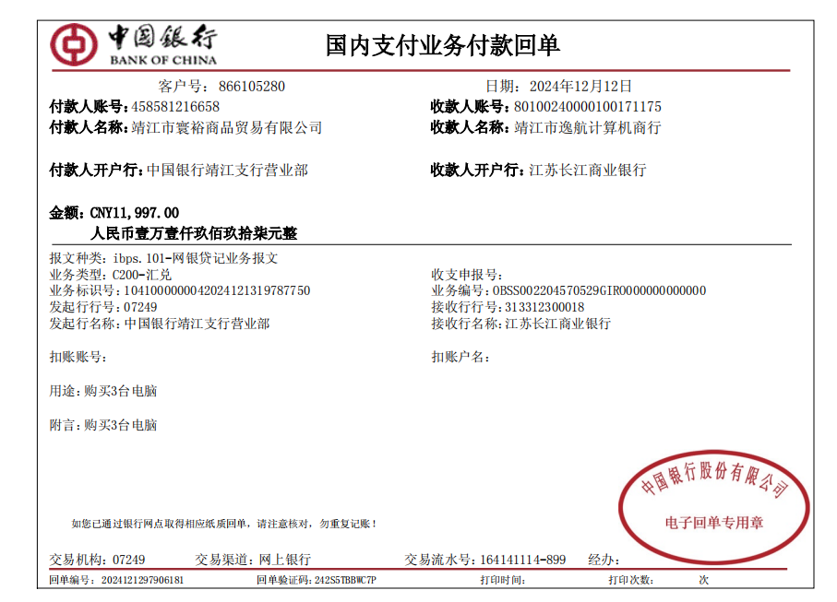

 | 12-Dec-2024
Purchase 3 computers : RMB11,997
paid by Jingjiang Huayu Trading Co.,Ltd.

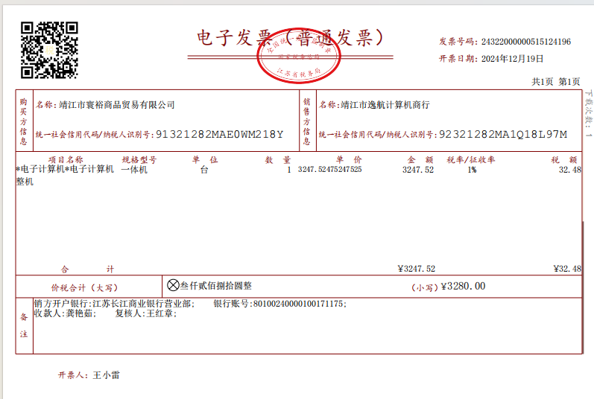

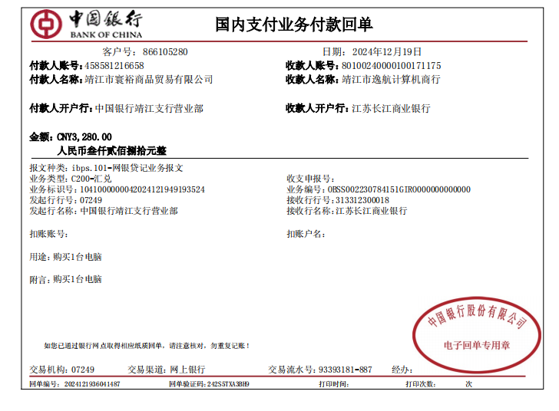

 | 12-Dec-2024
Purchase 1 computer : RMB3,280
paid by Jingjiang Huayu Trading Co.,Ltd.

Purchase 1 Printer
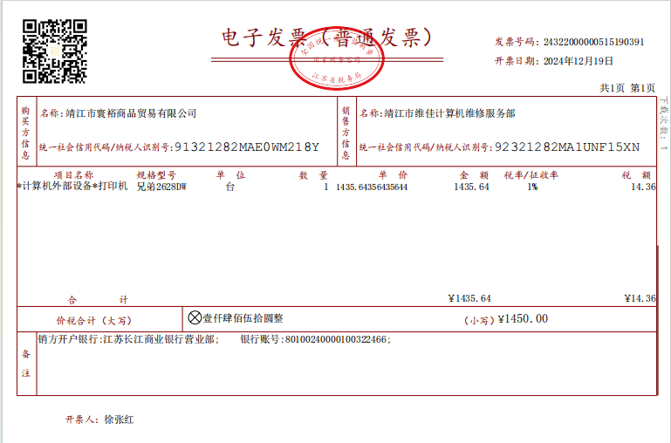

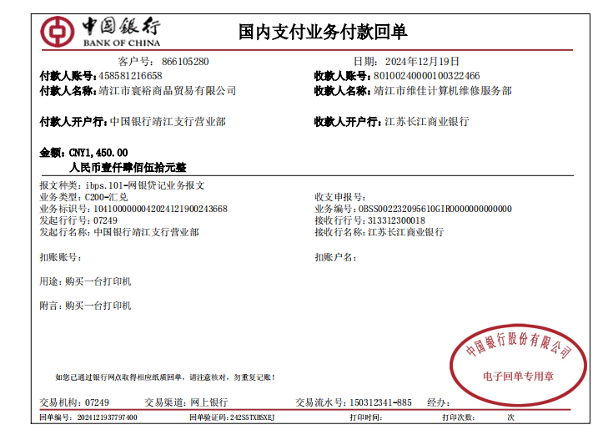

19-Dec-24
Purchase 1 Printer：RMB1,450
paid by Jingjiang Huayu Trading Co.,Ltd.

