Ikki,Julie′s apartment supplies
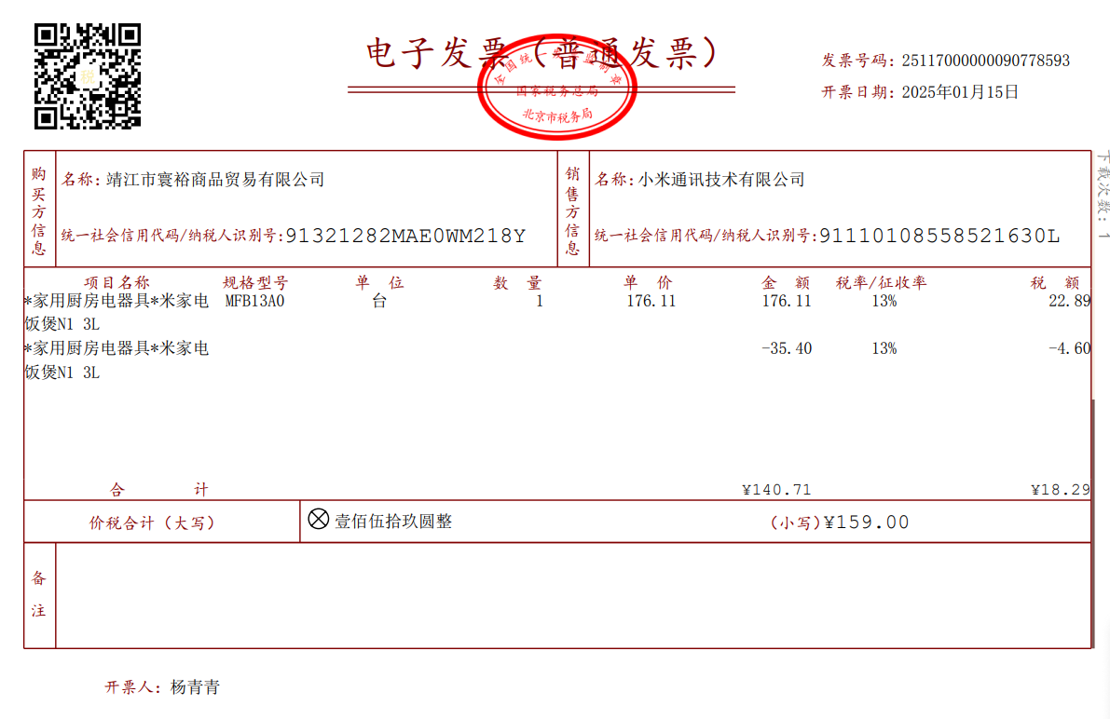

15-Jan-25
electric bowl (Ikki,Julia's apartment) :RMB159
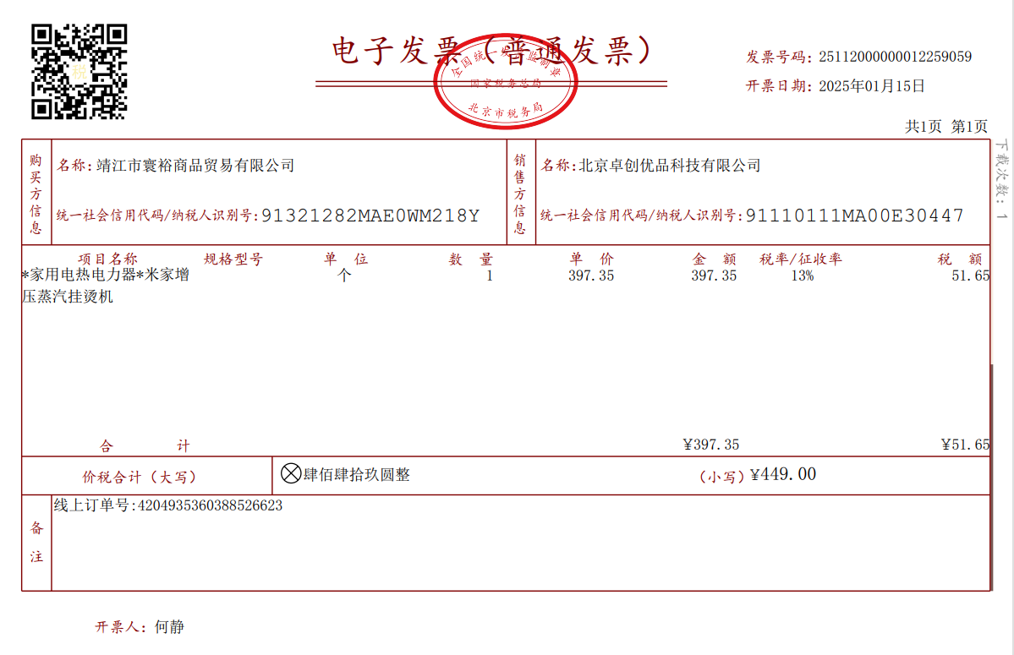

15-Jan-25
clothes steamer(Ikki,Julia's apartment):RMB449
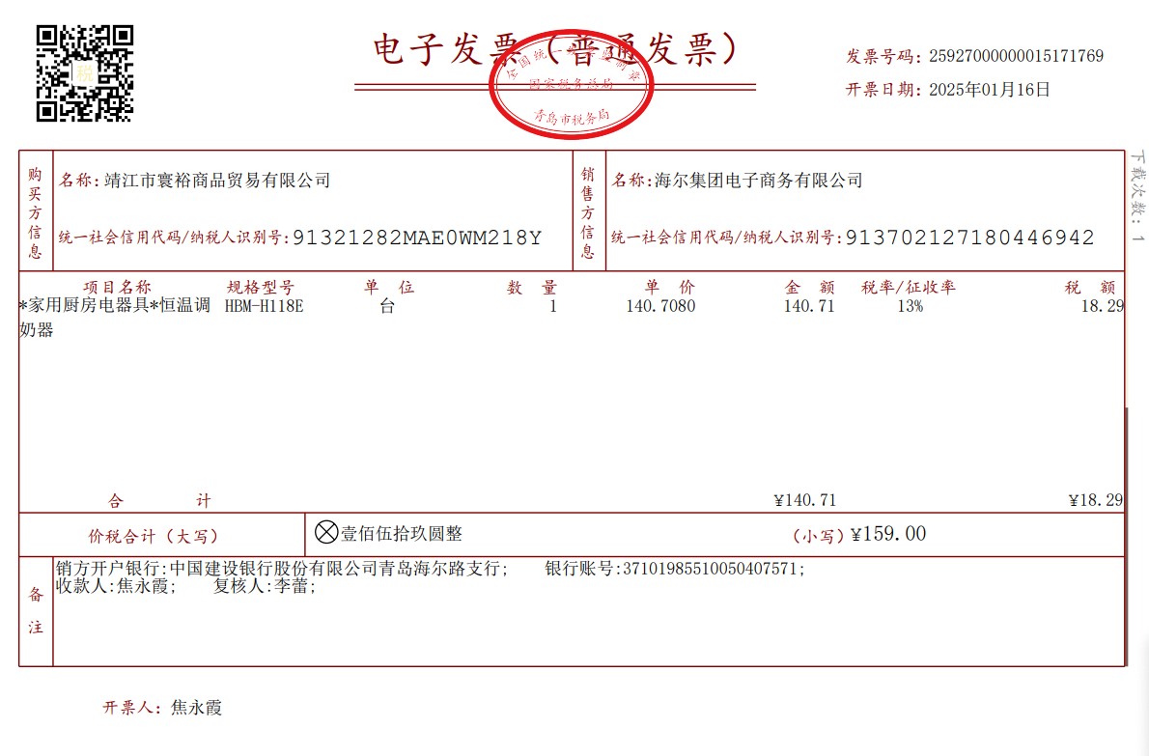

16-Jan-25
electric kettle(Ikki,Julia's apartment):RMB159
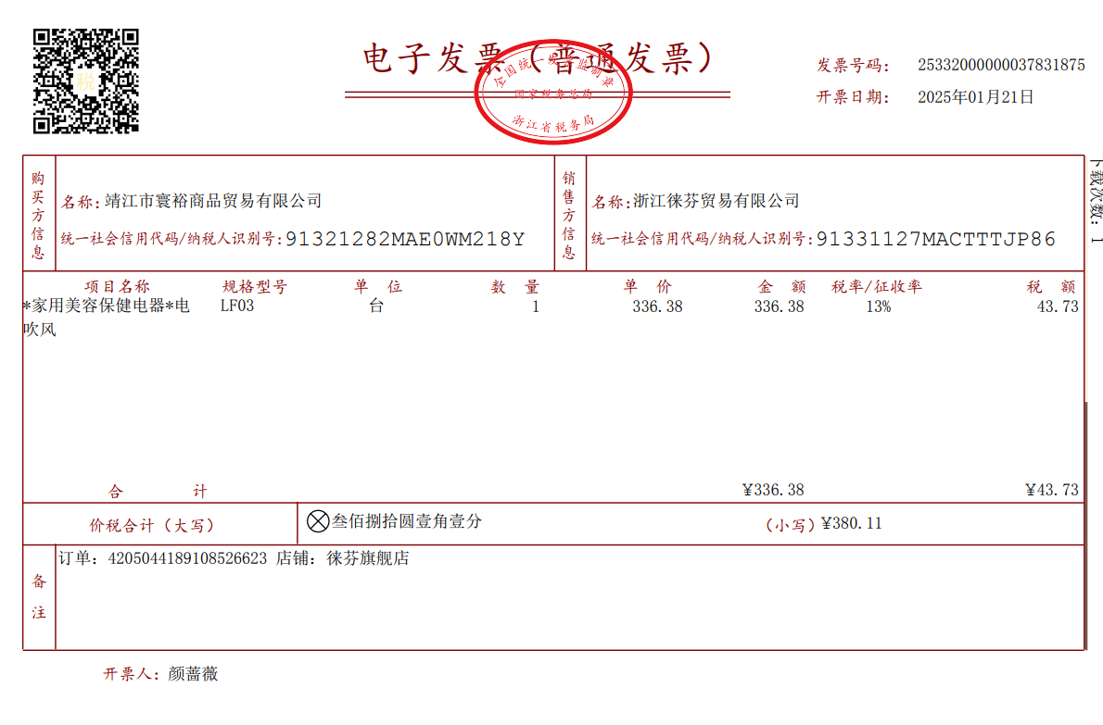

21-Jan-25
hair dryer(Ikki,Julia's apartment):RMB380.11
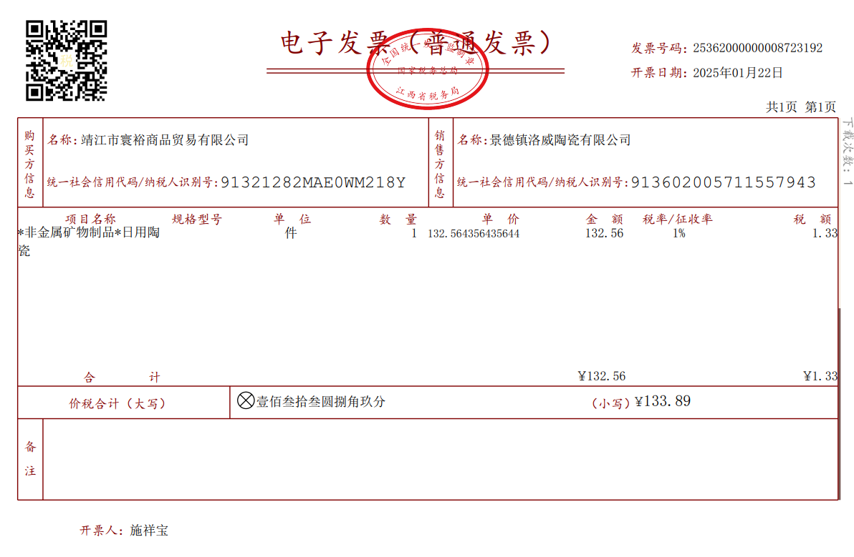

22-Jan-25
tableware(Ikki,Julia's apartment):RMB133.89
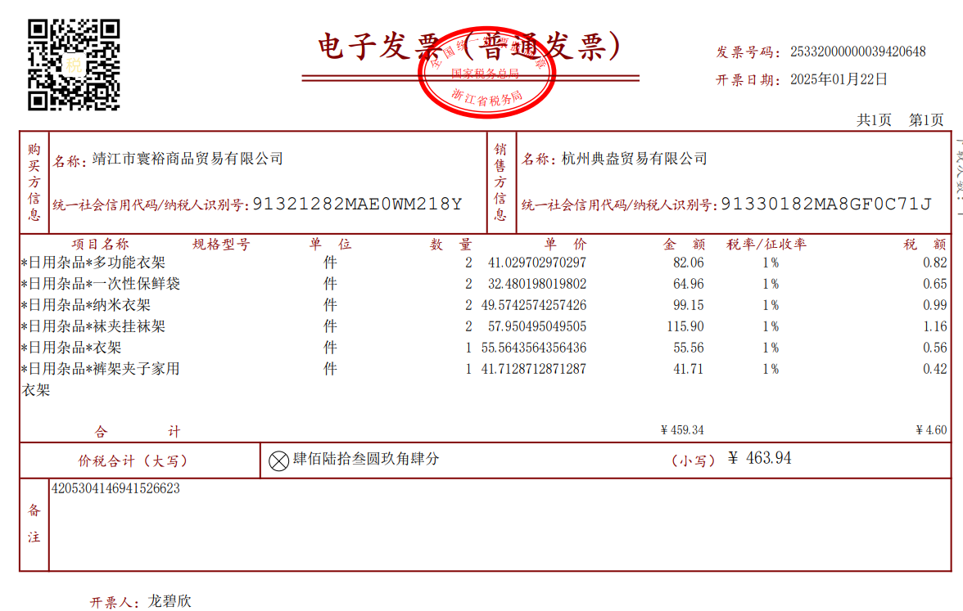

22-Jan-25
clothes hanger(Ikki,Julia's apartment):RMB463.94
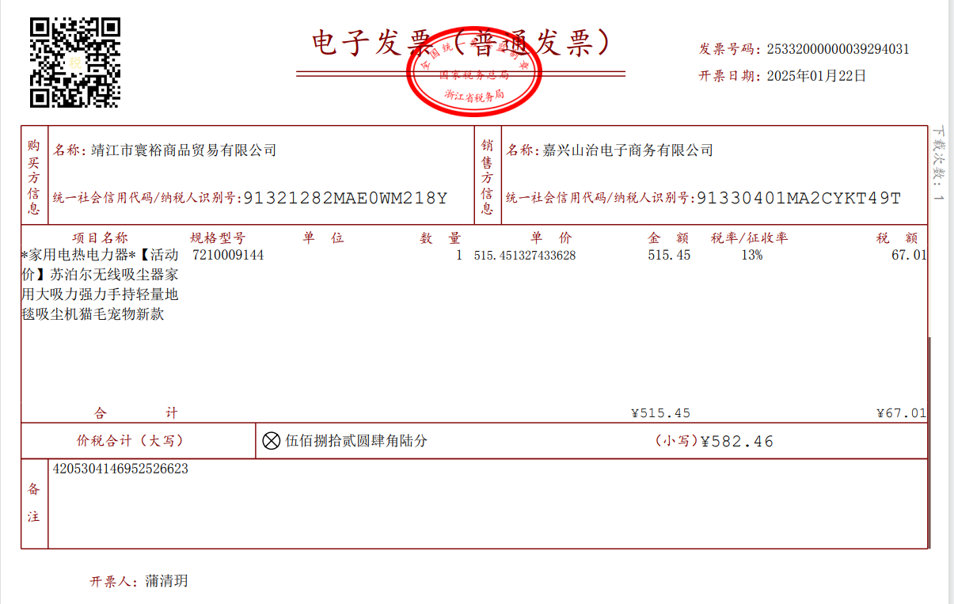

22-Jan-25
vacuum cleaner(Ikki,Julia's apartment):RMB582.46
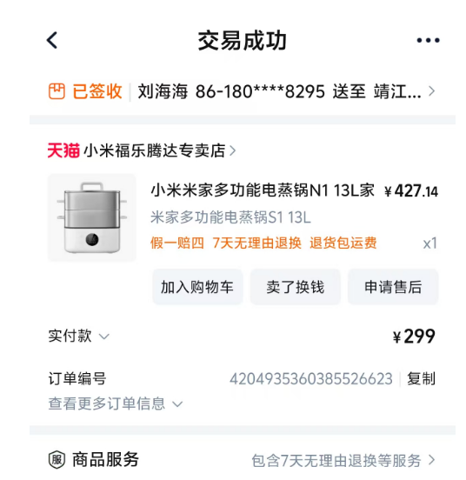
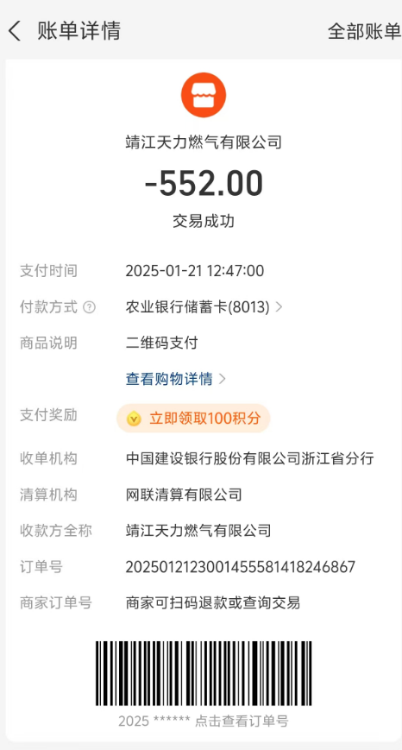

15-Jan-25 |  | 21-Jan-25
steamer(Ikki,Julia's apartment):RMB299 |  | gas(Ikki,Julia's apartment):RMB552

date |  |  | amount/RMB
15-Jan-25 | electric bowl(Ikki,Julia's apartment) |  | ￥159.00
15-Jan-25 | clothes steamer(Ikki,Julia's apartment) |  | ￥449.00
16-Jan-25 | electric kettle(Ikki,Julia's apartment) |  | ￥159.00
21-Jan-25 | hair dryer(Ikki,Julia's apartment) |  | ￥380.11
22-Jan-25 | tableware(Ikki,Julia's apartment) |  | ￥133.89
22-Jan-25 | clothes hanger(Ikki,Julia's apartment) |  | ￥463.94
22-Jan-25 | vacuum cleaner(Ikki,Julia's apartment) |  | ￥582.46
15-Jan-25 | steamer(Ikki,Julia's apartment) |  | ￥299.00
21-Jan-25 | gas(Ikki,Julia's apartment) |  | ￥552.00
TOTAL |  |  | ￥3,178.40
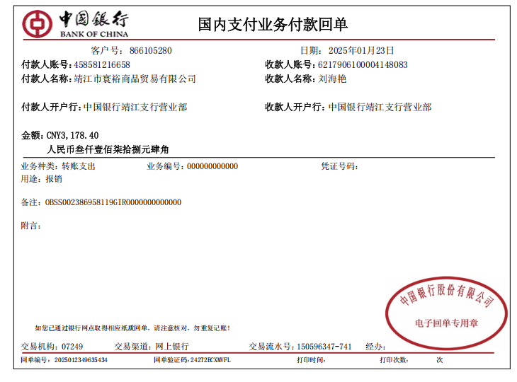

23-Jan-25
Pay Ikki and Julia's apartment supplies
RMB159+RMB449+RMB159+RMB380.11+RMB133.8+RMB463.94+RMB582.46+RMB299 +RMB552=RMB3,178.4
paid by Jingjiang Huanyu Trading Co.,Ltd.

Pay Hanging strip
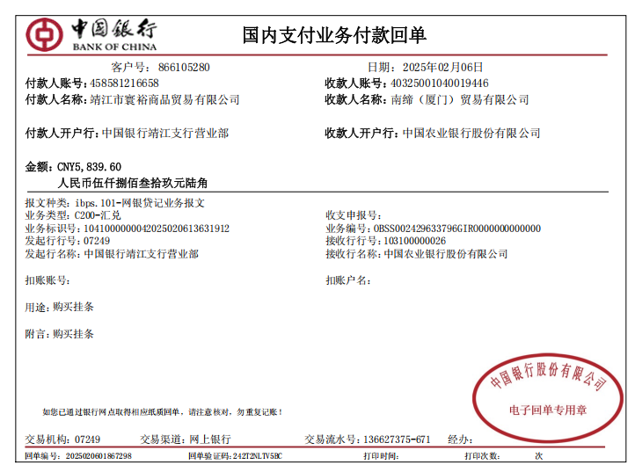

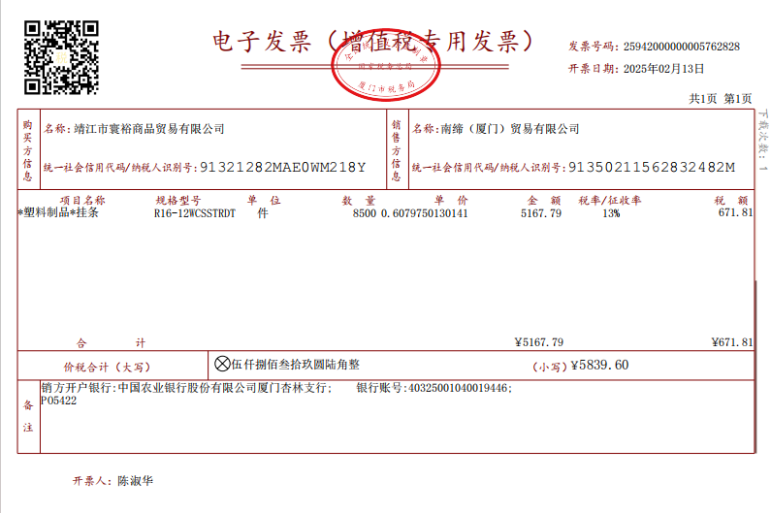

6-Feb-25
Pay Clip strip:RMB5,839.6
paid by Jingjiang Huanyu Trading Co.,Ltd.

Individual income tax
个人所得税扣缴申报表
税款所属期：2025年01月01日至2025年01月31日
扣缴义务人名称：靖江市寰裕商品贸易有限公司
扣缴义务人纳税人识别号（统一社会信用代码）：91321282MAE0WM218Y 金额单位：人民币元（列至角分）
序号 | 姓名 | 身份证件类型 | 身份证件号码 | 纳税人识别号 | 是否为非居民个人 | 所得项目 | 本月（次）情况 |  | 备注
 |  |  |  |  |  |  | 收入额计算 | 应补/退税额
 |  |  |  |  |  |  | 收入
1 | 2 | 3 | 4 | 5 | 6 | 7 | 8 | 41 | 42
1 | 尤琦 | 居民身份证 | 321282199712303627 | 321282199712303627 | 否 | 正常工资薪金 | 4000.00 | 0.00
2 | 周久梅 | 居民身份证 | 320622197506175180 | 320622197506175180 | 否 | 正常工资薪金 | 11000.00 | 180.00
3 | 张洁银 | 居民身份证 | 321282199707123023 | 321282199707123023 | 否 | 正常工资薪金 | 4800.00 | 0.00
4 | 杨靖 | 居民身份证 | 321282198602260051 | 321282198602260051 | 否 | 正常工资薪金 | 4800.00 | 0.00
5 | 刘艳杰 | 居民身份证 | 321002198309267366 | 321002198309267366 | 否 | 正常工资薪金 | 11000.00 | 180.00
6 | 刘海艳 | 居民身份证 | 321282198102020625 | 321282198102020625 | 否 | 正常工资薪金 | 9000.00 | 120.00
7 | 朱翊 | 居民身份证 | 330206198503100014 | 330206198503100014 | 否 | 正常工资薪金 | 15300.00 | 309.00
8 | 吴云 | 居民身份证 | 321282199107173027 | 321282199107173027 | 否 | 正常工资薪金 | 7500.00 | 75.00
9 | 王向峰 | 居民身份证 | 330823198211177537 | 330823198211177537 | 否 | 正常工资薪金 | 13560.00 | 256.80
10 | 应海波 | 居民身份证 | 330283198204184118 | 330283198204184118 | 否 | 正常工资薪金 | 17300.00 | 369.00
11 | 倪海林 | 居民身份证 | 321282200003153027 | 321282200003153027 | 否 | 正常工资薪金 | 4800.00 | 0.00
12 | 金燕 | 居民身份证 | 321024197809183023 | 321024197809183023 | 否 | 正常工资薪金 | 19100.00 | 378.00
13 | 郭雨露 | 居民身份证 | 321282200206285249 | 321282200206285249 | 否 | 正常工资薪金 | 5733.00 | 21.99
14 | 沙君 | 居民身份证 | 321282199112101829 | 321282199112101829 | 否 | 正常工资薪金 | 4000.00 | 0.00
15 | 刘璐娜 | 居民身份证 | 32128219900802304X | 32128219900802304X | 否 | 正常工资薪金 | 4000.00 | 0.00
16 | 陆震霞 | 居民身份证 | 320602197804120027 | 320602197804120027 | 否 | 正常工资薪金 | 14000.00 | 270.00
17 | 徐珊珊 | 居民身份证 | 32068219810910024X | 32068219810910024X | 否 | 正常工资薪金 | 12000.00 | 210.00
18 | 王峰 | 居民身份证 | 321086197802103018 | 321086197802103018 | 否 | 正常工资薪金 | 12360.00 | 220.80
合 计 |  |  |  |  |  |  | 174253.00 | 2590.59 | -
谨声明:本扣缴申报表是根据国家税收法律法规及相关规定填报的，是真实的、可靠的、完整的。
扣缴义务人（签章）： 年 月 日
代理机构签章:代理机构统一社会信用代码：经办人签字：经办人身份证件号码：
国家税务总局监制

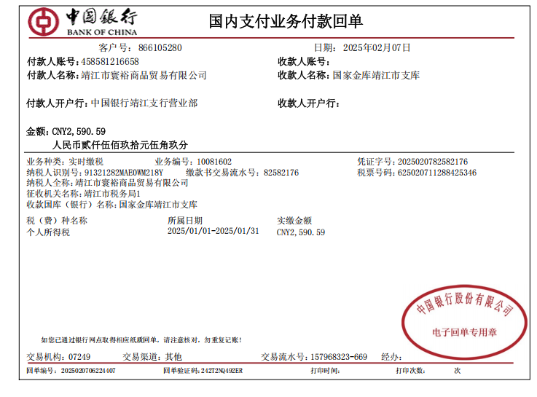

7-Feb-25
Pay individual income tax:RMB2,590.59
paid by Jingjiang Huanyu Trading Co.,Ltd.

Office supplies
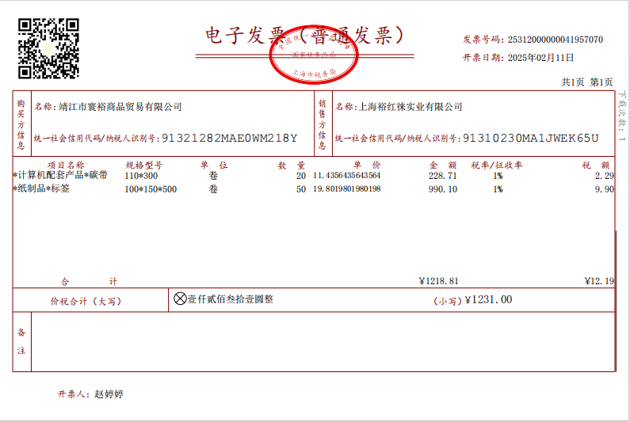

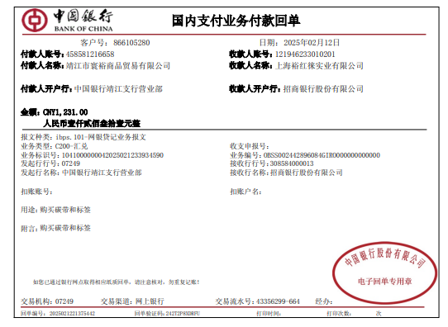

12-Feb-25
Pay carbon strips and labels:RMB1,231
paid by Jingjiang Huanyu Trading Co.,Ltd.

2 beds and 2 mattresses
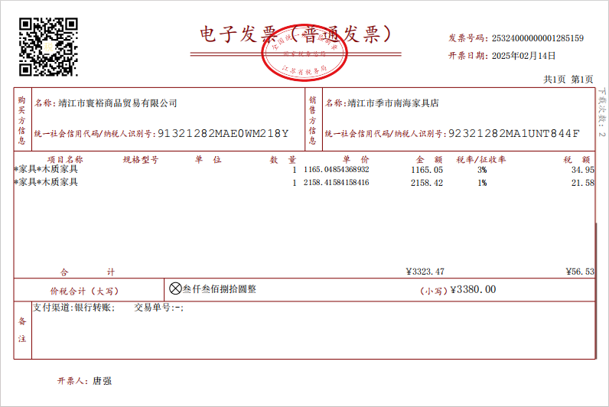

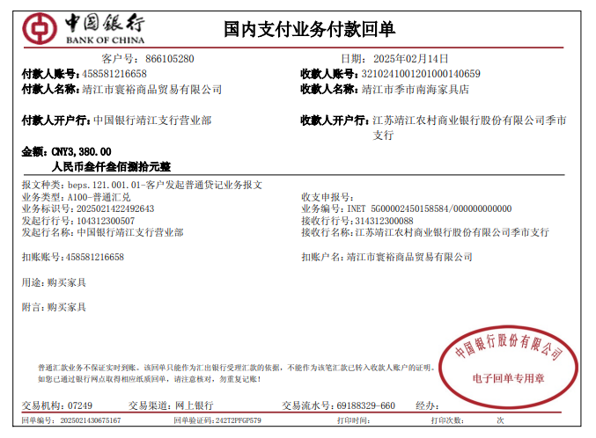

14-Feb-25
Pay 2 beds and 2 mattresses for Angel and Yan :RMB3,380
paid by Jingjiang Huanyu Trading Co.,Ltd.

Advance expenses
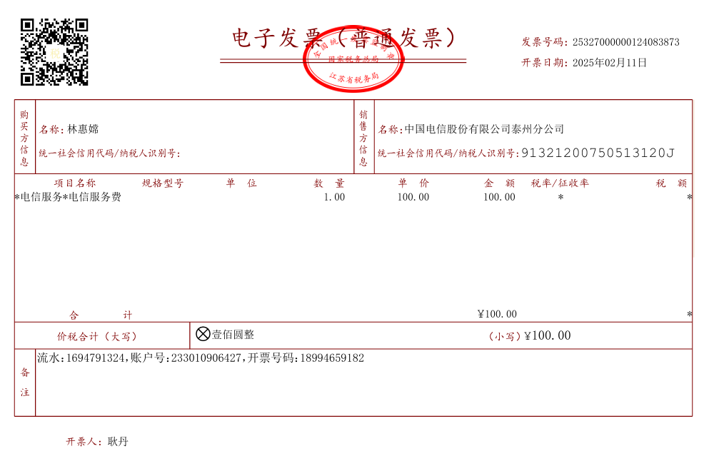

11-Feb-25
Angel's phone cost:RMB100
paid by Shirley
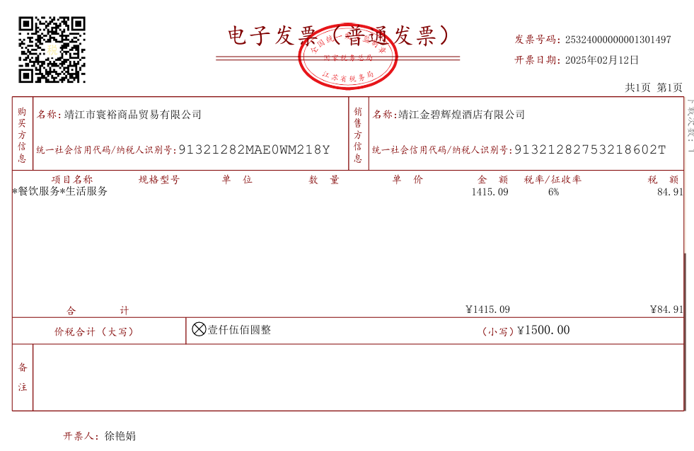

12-Feb-25
meal card(Julia,Ikki,Angel):RMB1,500
paid by Shirley

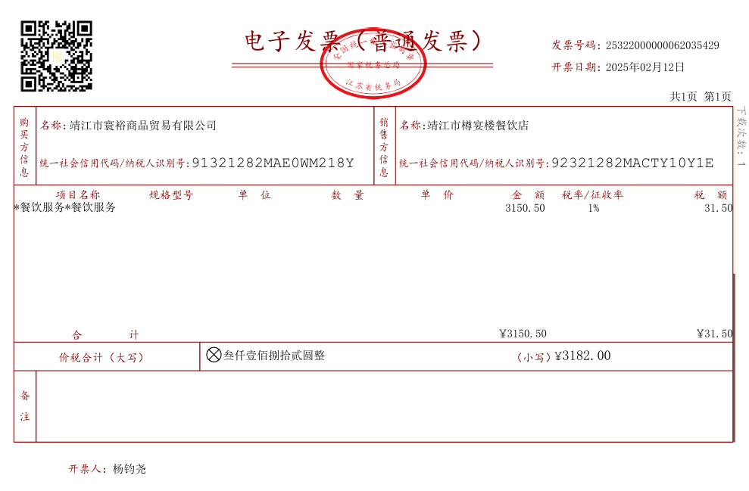

12-Feb-25
meal cost(Jingjiang office together):RMB3,182
paid by Shirley
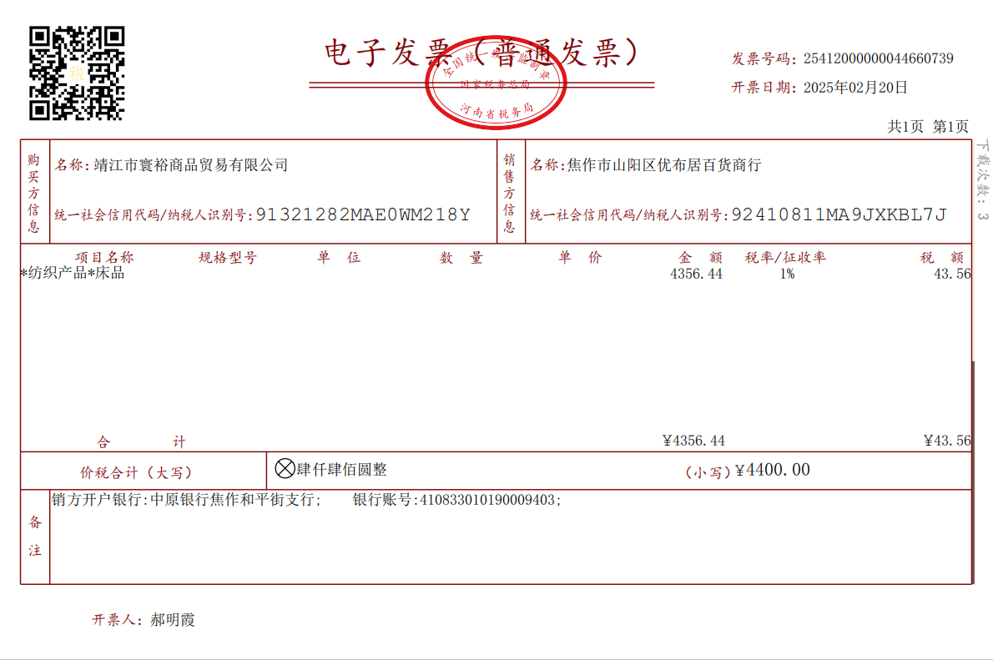

20-Feb-25
bed sheet,quilt,pillow,bedspread(Angel,Yan,Cynthia):RMB4,400
paid by Shirley

date |  | amount/RMB
11-Feb-25 | Angel's phone cost | 100.00
12-Feb-25 | meal card(Julia,Ikki,Angel) | 1,500.00
12-Feb-25 | meal cost(Jingjiang office together) | 3,182.00
20-Feb-25 | bed sheet,quilt,pillow,bedspread(Angel,Yan,Cynthia) | 4,400.00
TOTAL |  | 9,182.00

Advance expenses:RMB100+RMB1,500+RMB3,182+RMB4,400=RMB9,182
paid by Shirley

